Sorting
2026-03-20

SORTING
Sorting allows you to quickly organize data in ascending or descending order to gain quick takeaways.

For PC: Alt-D-S |  | For Mac:


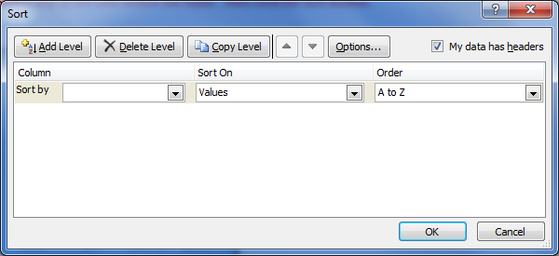

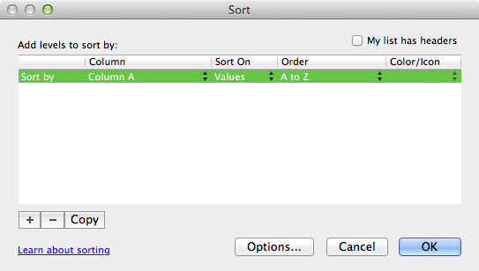

EXERCISE 1
Sort the below on descending order (greatest to least)

Month | Monthly Sales $
Jan | $10,000
Feb | $20,000
Mar | $35,000
Apr | $18,000
May | $28,000
Jun | $70,000
Jul | $40,000
Aug | $35,000
Sep | $20,000
Oct | $40,000
Nov | $70,000
Dec | $100,000

EXERCISE 2
Sort the below on ascending order (least to greatest)

Month | Monthly Sales $
Jan | $10,000
Feb | $20,000
Mar | $35,000
Apr | $18,000
May | $28,000
Jun | $70,000
Jul | $40,000
Aug | $35,000
Sep | $20,000
Oct | $40,000
Nov | $70,000
Dec | $100,000

NOTE: You can also sort on text fields from A to Z or Z to A.

